Climate Ready Hong Kong
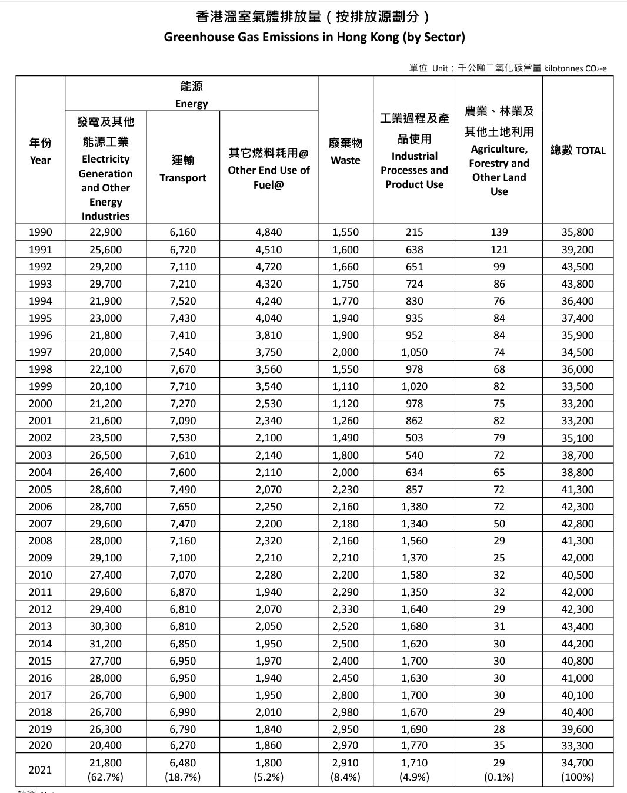

 | 2021 figures: |  | Other end use of fuel | Waste | Industrial Processes | Agriculture
 |  |  | 1,800 | 2,910 | 1,710 | 29
 |  | in g: | 1800000000000 | 2910000000000 | 1.71E+12 | 2.90E+10
 |  | Total in g: | 6449000000000

 |  | share of CH4: | 6.91%
 |  | share of N2O: | 1.23%
 |  | share of CO2: | 91.86%

Reduction per year from energy use data: |  |  |  | 1.03%

